10_Send Report
Project: |  | Version | 0.1 | Sprint | 2
Team: |  | Reviewed by
Document: | Principles | Approved by
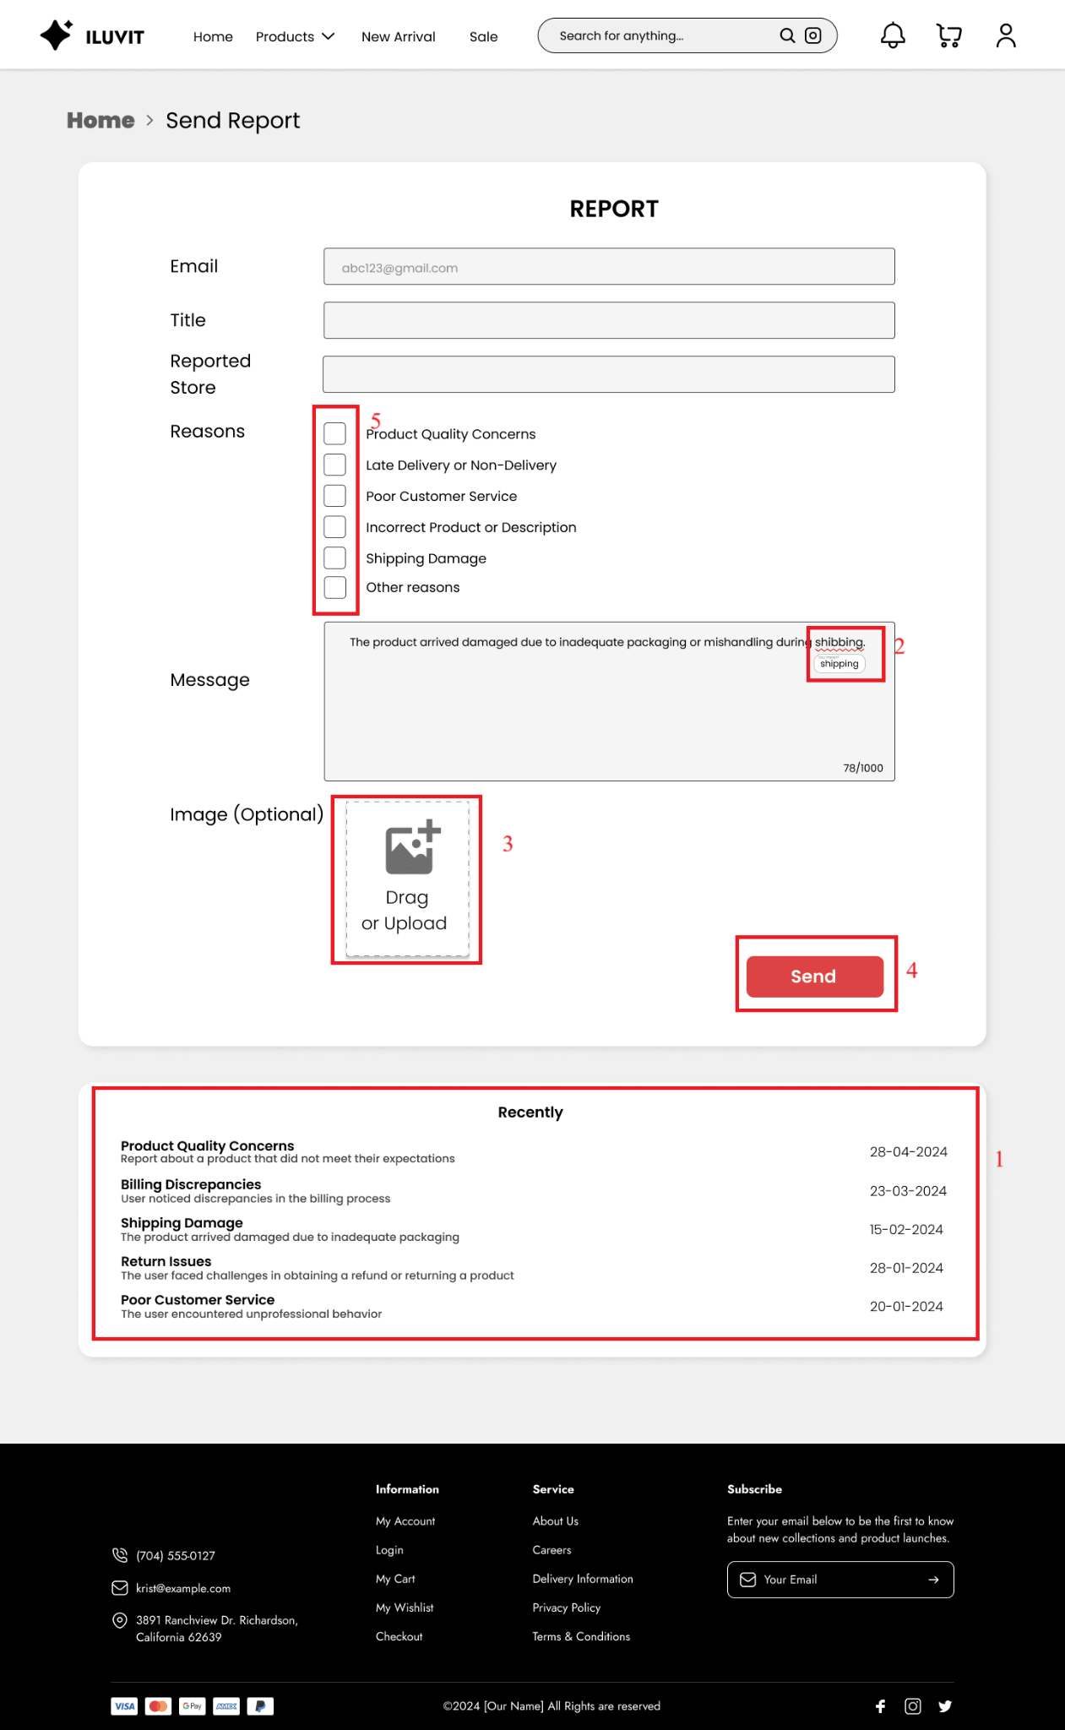
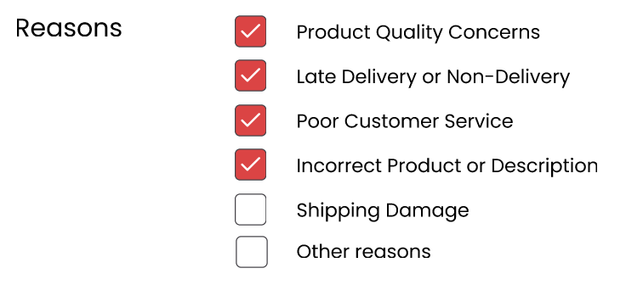
 |  |  |  |  |  |  | Principle | Number | Explanation
 |  |  |  |  |  | 5 | 1. Synthesisability | 1 | Users can review their report submission history (1) when writing a new report
 |  |  |  |  |  |  | 2. Task Migratability | 2 | When writing a report, the system will automatically check spelling and give suggestions for words it thinks are incorrect
 |  |  |  |  |  |  | 3. Substitutivity | 3 | Users can upload photos in 2 ways: drag or select photos step by step
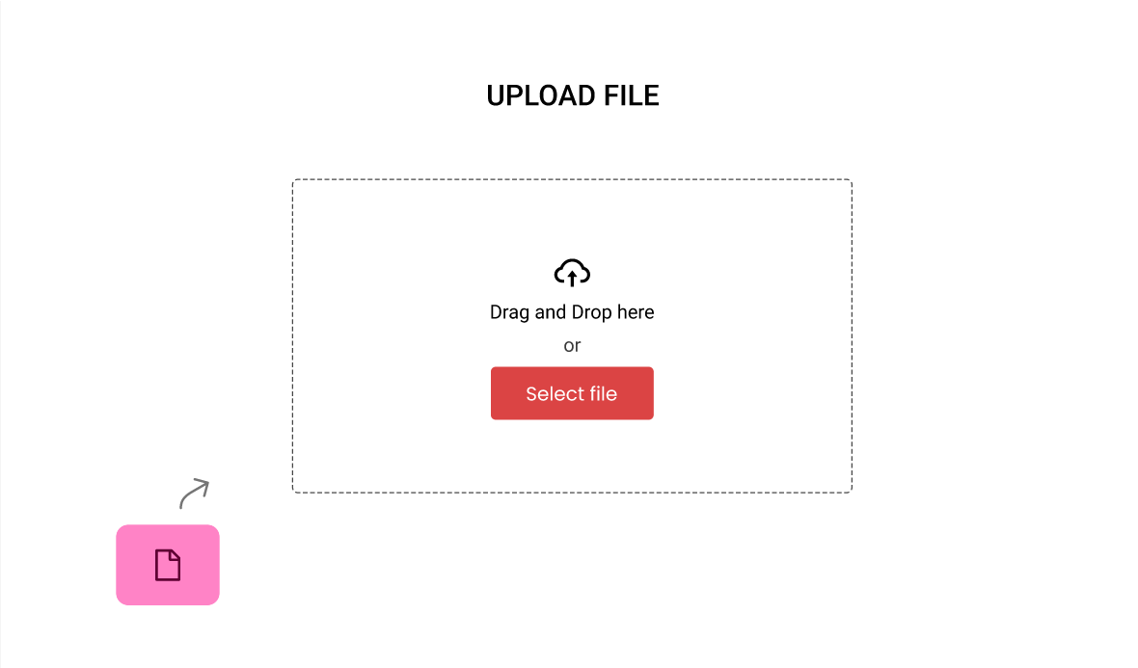
 |  |  |  |  |  |  | 4. Observability | 4 | Display a confirmation message (4) that the report has been sent successfully when the user completes the steps to send the report
 |  |  |  |  |  |  | 5. Responsiveness | 5 | When the user clicks on the reason they want to select, a tick mark will appear (5)

 |  |  |  |  |  | 3

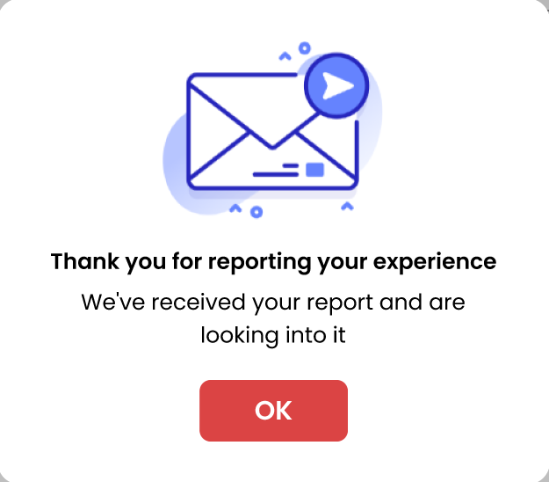

 |  |  |  |  |  | 4

19_Manage Order
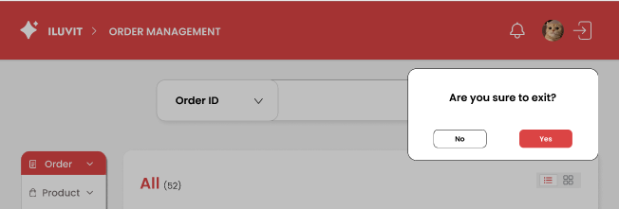
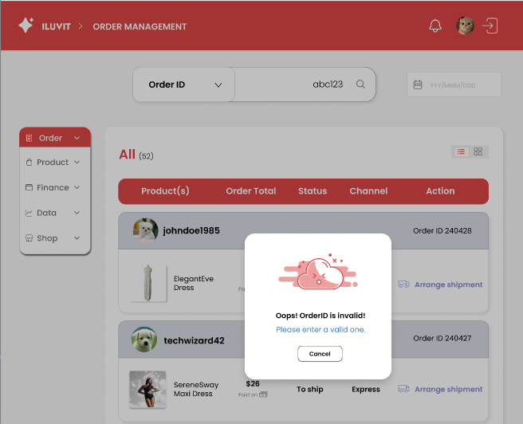
Project: |  | Version | 0.1 | Sprint | 2
Team: |  | Reviewed by
Document: | Principles | Approved by
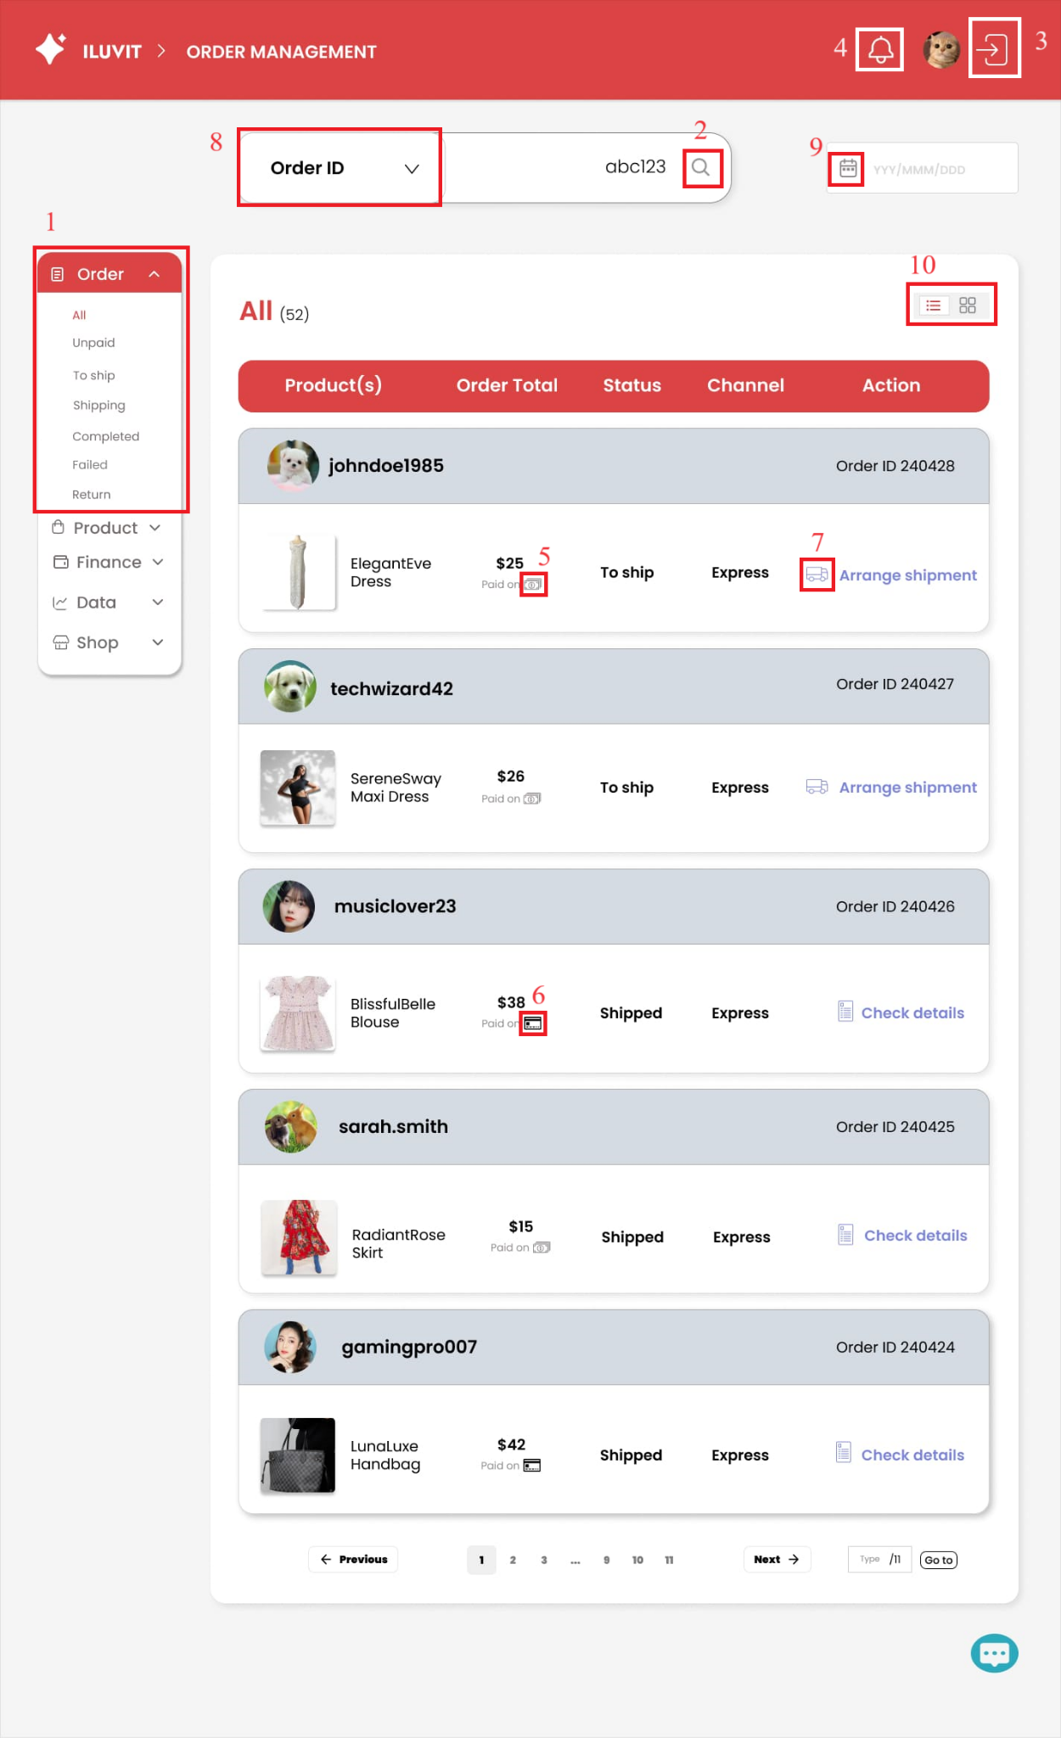
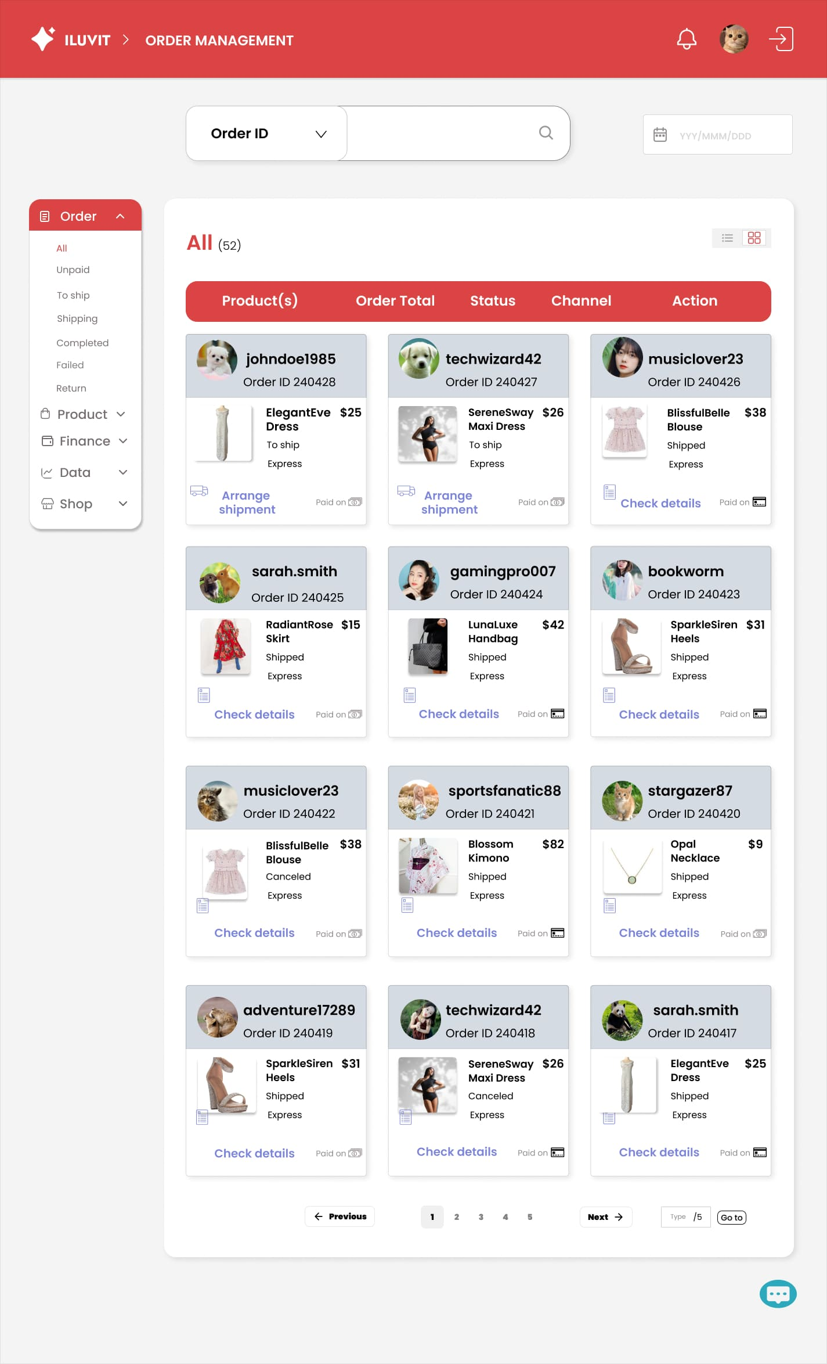
 |  |  |  |  |  | Principle | Number | Explanation
 |  |  |  |  |  | 1. Simplicity | 1 | The design has simplified the interface by classifying and grouping options into categories (1): - When the user clicks "Order", the following sub-items will appear: Unpaid, To ship, Shipping, Completed, Failed, Return () - Each of these sub-items will be a list with different conditions
 |  |  |  |  |  | 2. Predictability | 2.3 | The website uses design patterns that combine common icons so users can easily guess the function of the icon. For example: Click on the magnifying glass icon(2) to search for products, and the (3) icon to log out of your account.
 |  |  |  |  |  | 3. Familiarity | 4,5,6,7 | We use familiar icons such as bell icon(4) for notifications, (5) for cash, (6) for bank cards and truck icon(7) for transportation
 |  |  |  |  |  | 4. Responsiveness | 8 | When the user hovers over OrderID, a pop-up table will appear
 |  |  |  |  |  | 5. Dialog Initiative | 3 | When the user clicks the exit icon(3), a confirmation message "Are you sure you want to exit?" appears, showing two options: "Yes" or "No".
 |  |  |  |  |  | 6. Substitutivity | 9 | Users can enter the date from the keyboard or select the date when clicking the calendar icon(9).
 |  |  |  |  |  | 7. Customisability | 10 | The system allows sellers to choose how to view orders in list or grid form(10)
 |  |  |  |  |  | 8. Recoverability |  | When searching for an invalid order ID, an error message will appear and suggest to reenter
 |  |  |  |  |  | 9. Consistency |  | Product items are consistent with each other, have the same position of text and images, use the same font, text size and images

31_Ban List
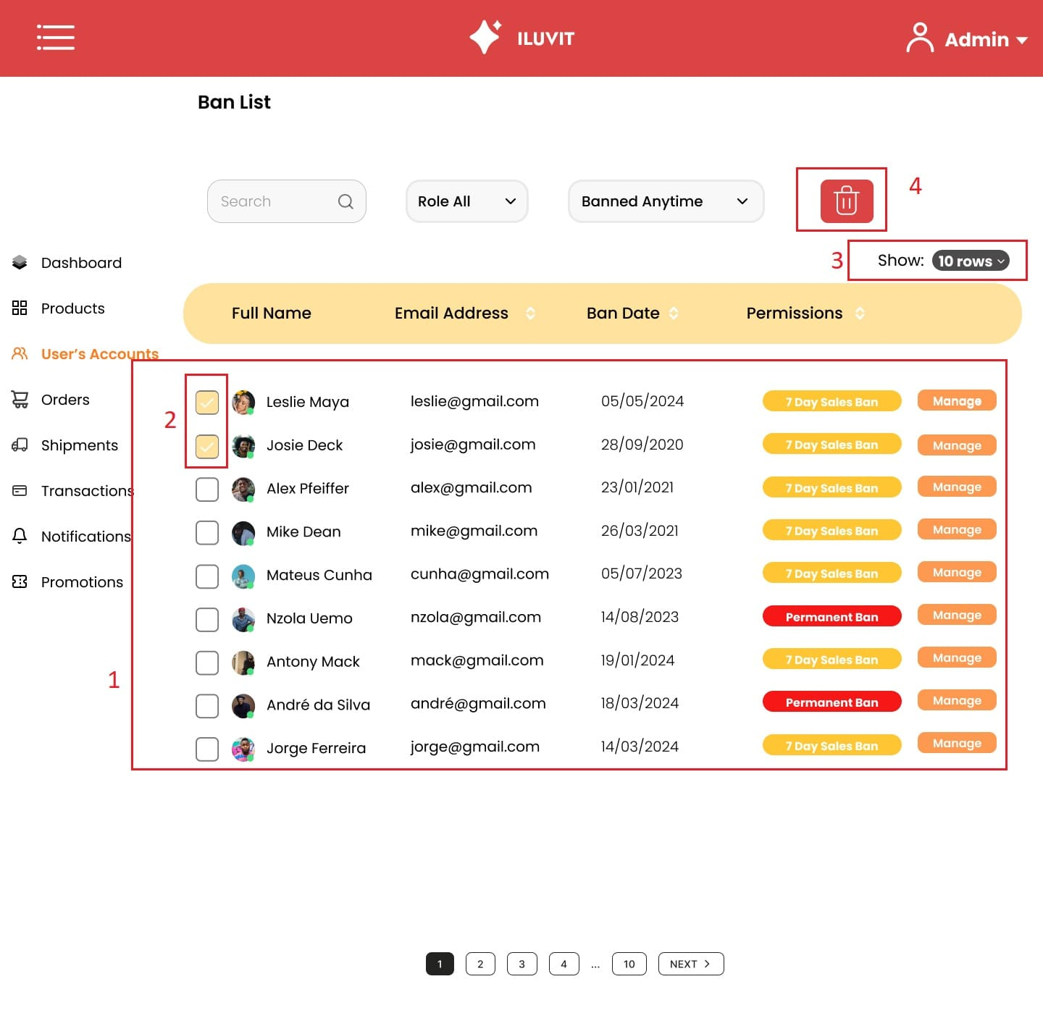
Project: |  | Version | 0.1 | Sprint | 2
Team: |  | Reviewed by
Document: | Principles | Approved by

 |  |  |  |  |  | Principle | Number | Explanation
 |  |  |  |  |  | Consistency | 1 | The list of locked user accounts is displayed consistently (1) with the username, their email, the date of locking, and the duration of the ban. Permanently locked accounts will be shown in red, while others will be displayed in yellow.
 |  |  |  |  |  | Responsiveness | 2 | When users click to select multiple accounts at once, the small box (2) next to the username will immediately change to yellow with a white checkmark, helping them immediately know that their action was performed successfully.
 |  |  |  |  |  | Customizability | 3 | Users can choose the number of displayed accounts (3), with options like 10 rows, or other choices in a hidden menu, fully displayed by clicking on the arrow icon.
 |  |  |  |  |  | Predictability | 4 | The trash can icon (4) for admins enhances predictability as it is widely used across websites and applications, allowing admins to anticipate that the delete action will be executed. This familiarity with the icon's meaning improves predictability and usability within the interface.

35_View Report
Project: |  | Version | 0.1 | Sprint | 2
Team: |  | Reviewed by
Document: | Principles | Approved by
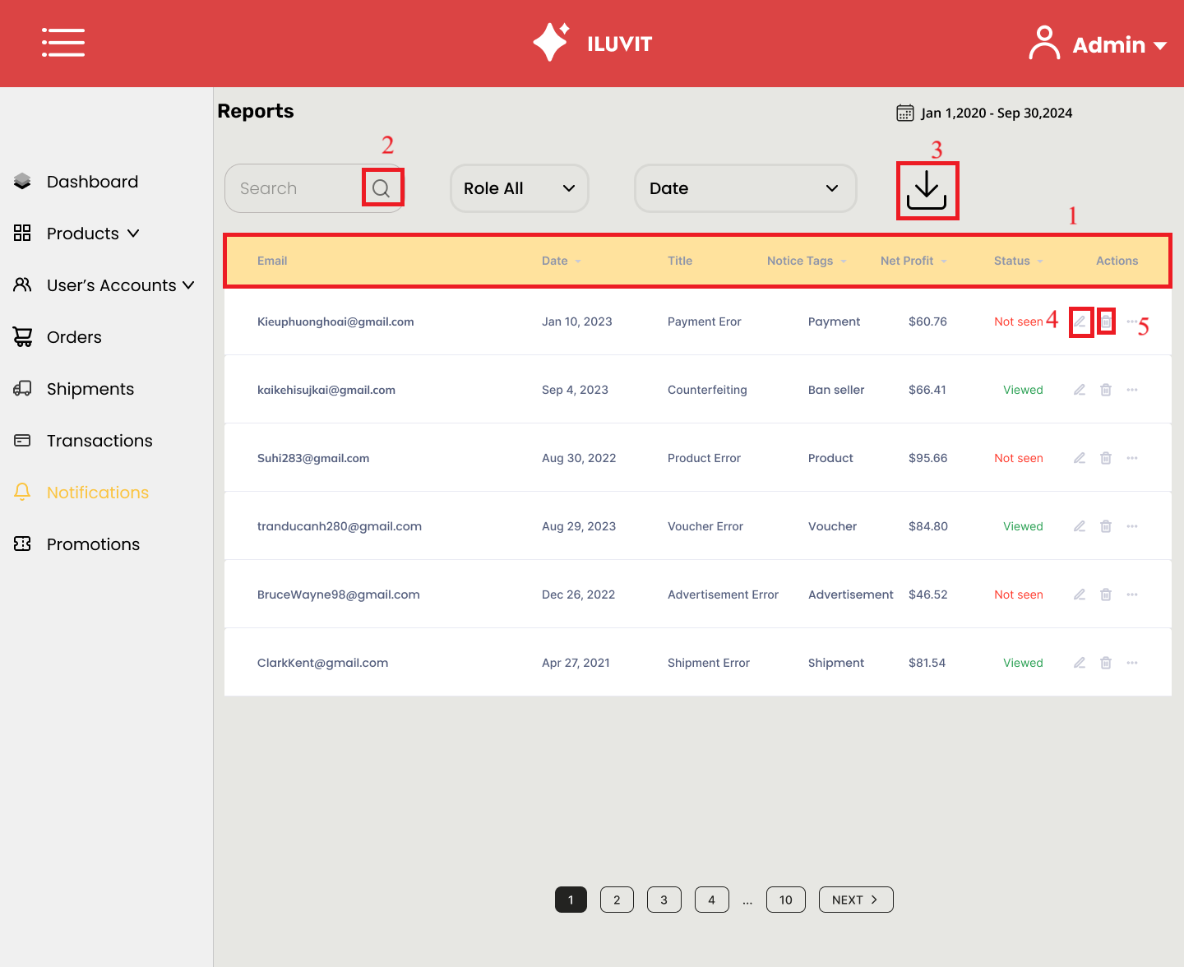
 |  |  |  |  |  | Principle | Number | Explanation
 |  |  |  |  |  | Consistency | 1 | The site maintains consistency by posting messages in a uniform format: title, date, author, notice tag, profit, and the status
 |  |  |  |  |  | Familiarity | 2 3 4 5 | The design still uses familiar icons such as magnifying glass, download arrow, pen, and trash can to search, download, edit and delete information.

36_Create Promotion
Project: |  | Version | 0.1 | Sprint | 2
Team: |  | Reviewed by
Document: | Principles | Approved by
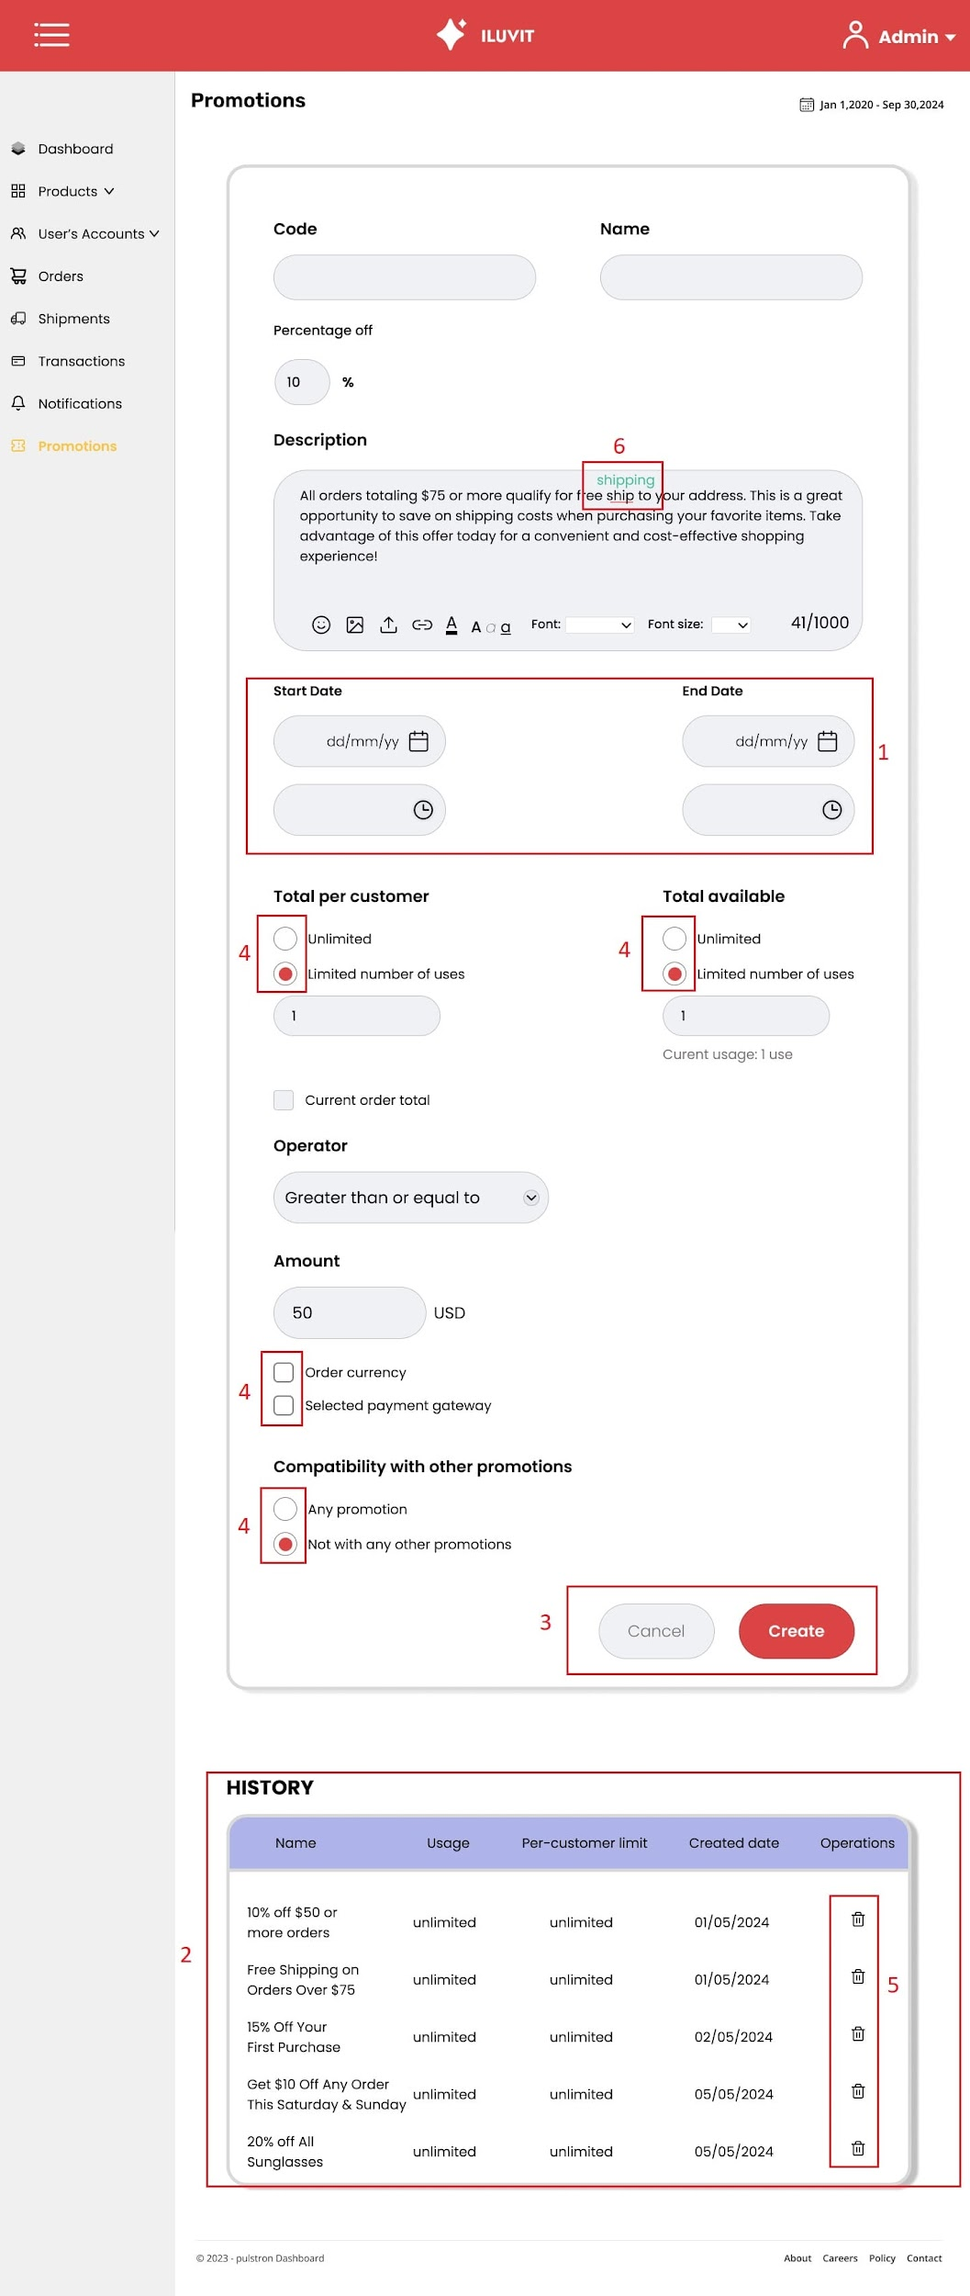
 |  |  |  |  |  | Principle | Number | Explanation
 |  |  |  |  |  | Substitutivity | 1 | Allowing admins to choose between manually entering dates and times or clicking on the calendar and clock icon (1) to select specific dates and times enhances substitutivity. This flexibility enables admins to substitute one input method for another based on their preferences or workflow.
 |  |  |  |  |  | Synthesizability | 2 | Synthesizability is augmented by displaying the history of created promotions (2) below the website, complete with detailed information about each promotion.
 |  |  |  |  |  | Predictability | 3 | The "create" and "cancel" buttons (3) enhance predictability for admins, as they help admins anticipate that clicking on these buttons will respectively execute the actions of creating and canceling promotions.
 |  |  |  |  |  | Responsiveness | 4 | Responsiveness is improved by instantly changing selected options to red (4) when clicked by admins, indicating that their choices have been saved. This immediate visual feedback ensures admins are aware that their selections have been recorded.
 |  |  |  |  |  | Familiarity | 5 | The trash can icon (5) refers to real-life trash bins, indicating to admins that clicking on it will delete promotions. This enhances familiarity by providing admins with a recognizable symbol for the action of deleting promotions.
 |  |  |  |  |  | Task migratability | 6 | Task migratability is improved with the integration of a spell-check feature on the website. When admins make spelling errors, a pop-up message (6) will suggest correct grammar or vocabulary, facilitating the migration of the task from error identification to correction seamlessly within the platform.

